2- Routine Reg - SOLO DUET
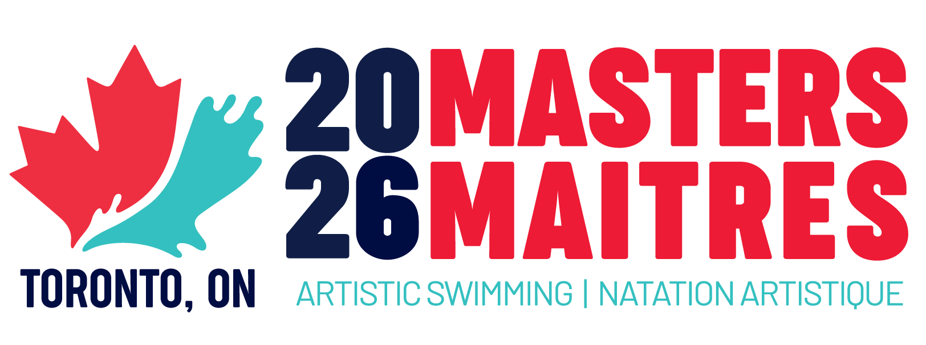
 |  |  | FINAL ENTRY FORM
 |  |  | CANADIAN MASTERS CHAMPIONSHIPS
 |  |  | June 12-14, 2026
 |  |  | Toronto, ON
 |  |  | SOLO/DUET

 | FIRST NAME | LAST NAME | AGE GROUP | SOLO TECH | SOLO FREE | DUET TECH | DUET FREE | MIXED DUET TECH | MIXED DUET FREE
1 | Person | One | 19-29 | A |  | A | B
2 | Person | Two | 19-29 |  | B |  | B
3 | Person | sdasd | 19-29 |  |  | A
4
5
6
7
8
9
10
11
12
13
14
15
16
17
18
19
20

COACHES
Event |  | Coach 1 |  |  | Coach 2
Solo Tech A |  | Coach One
Solo Tech B
Solo Tech C
Solo Tech D
Solo Free A
Solo Free B
Solo Free C
Solo Free D
Duet Tech A |  | Coach Two
Duet Tech B
Duet Tech C
Duet Tech D
Duet Free A
Duet Free B |  |  |  |  | Coach Three
Duet Free C
Duet Free D
Mixed Duet Tech A
Mixed Duet Free A

